Sheet3
제 10차 전력수급기본 계획 |  |  |  |  |  |  |  |  | 제11차 전력수급기본계획
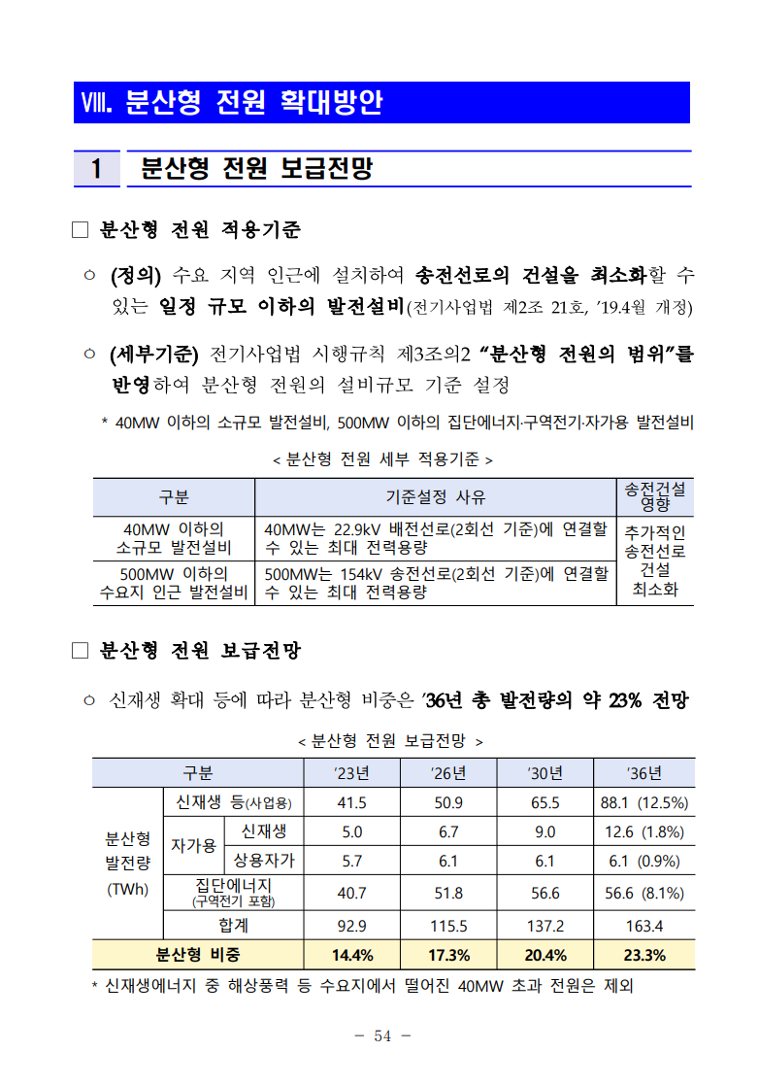
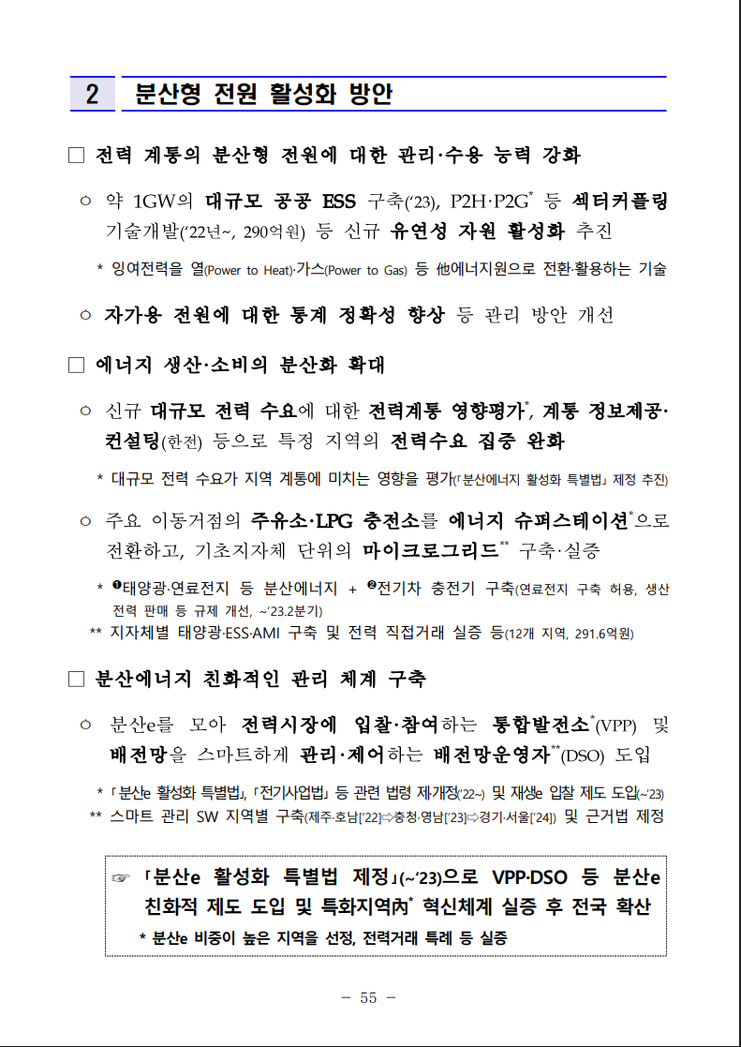
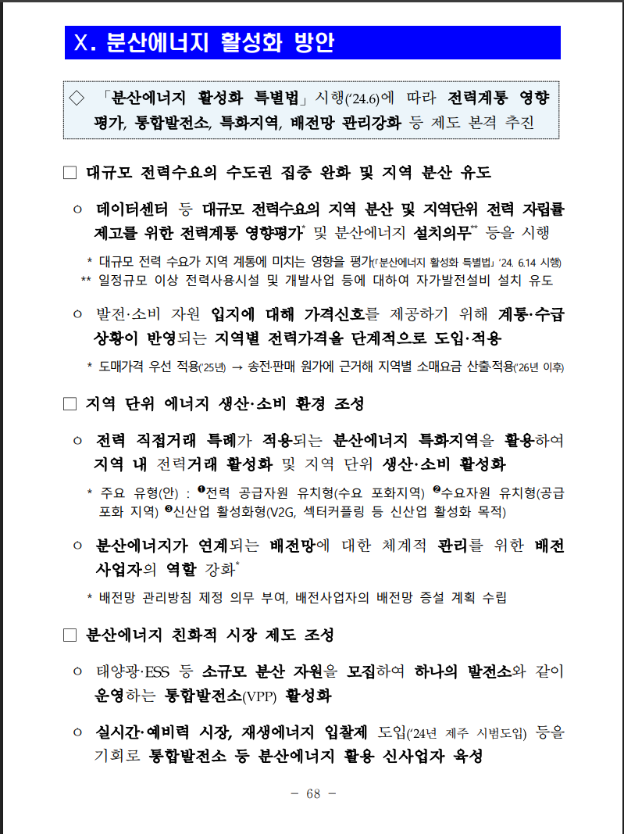

구분 | 2023 | 2026 | 2030 | 2036 | ’23→’26 (3y) | ’26→’30 (4y) | ’30→’36 (6y)
신재생 등(사업용) | 41.5 | 50.9 | 65.5 | 88.1 | 7.04% | 6.51% | 5.06% | commercial
자가용 신재생 | 5 | 6.7 | 9 | 12.6 | 10.25% | 7.66% | 5.77%
상용자가 | 5.7 | 6.1 | 6.1 | 6.1 | 2.29% | 0.00% | 0.00%
집단에너지 | 40.7 | 51.8 | 56.6 | 56.6 | 8.37% | 2.24% | 0.00%
합계 | 92.9 | 115.5 | 137.2 | 163.4 | 7.53% | 4.40% | 2.96%

Calculations
Category] | 구분 | 2023 | 2026 | 2030 | 2036 | ’23→’26 (3y) | ’26→’30 (4y) | ’30→’36 (6y)
Renewable energy (for business use) | 신재생 등(사업용) | 41.5 | 50.9 | 65.5 | 88.1 | 7.0% | 6.5% | 5.1% | commercial
Renewable energy for personal use | 자가용 신재생 | 5 | 6.7 | 9 | 12.6 | 10.2% | 7.7% | 5.8% | residential
Commercial use | 상용자가 | 5.7 | 6.1 | 6.1 | 6.1 | 2.3% | 0.0% | 0.0%
Community energy | 집단에너지 | 40.7 | 51.8 | 56.6 | 56.6 | 8.4% | 2.2% | 0.0%
Total | 합계 | 92.9 | 115.5 | 137.2 | 163.4 | 7.5% | 4.4% | 3.0%

2020 | 0.000E+00 | 0.000E+00 | 0.000E+00 | 0.000E+00 | 3.467E+03 | 5.067E+06 | 0.000E+00 | 0.000E+00 | 0.000E+00 | 0.000E+00 | 0.000E+00 | 0.000E+00
2021 | 0.000E+00 | 0.000E+00 | 0.000E+00 | 0.000E+00 | 3.467E+03 | 6.275E+06 | 0.000E+00 | 0.000E+00 | 0.000E+00 | 0.000E+00 | 0.000E+00 | 0.000E+00
2022 | 0.000E+00 | 0.000E+00 | 0.000E+00 | 0.000E+00 | 3.467E+03 | 6.976E+06 | 0.000E+00 | 0.000E+00 | 0.000E+00 | 0.000E+00 | 0.000E+00 | 0.000E+00
2023 | 0.000E+00 | 0.000E+00 | 0.000E+00 | 0.000E+00 | 3.467E+03 | 7.678E+06 | 0.000E+00 | 0.000E+00 | 0.000E+00 | 0.000E+00 | 0.000E+00 | 0.000E+00
2024 | 0.000E+00 | 0.000E+00 | 0.000E+00 | 0.000E+00 | 3.467E+03 | 8.211E+06 | 0.000E+00 | 0.000E+00 | 0.000E+00 | 0.000E+00 | 0.000E+00 | 0.000E+00
2025 | 0.000E+00 | 0.000E+00 | 0.000E+00 | 0.000E+00 | 3.467E+03 | 8.717E+06 | 0.000E+00 | 0.000E+00 | 0.000E+00 | 0.000E+00 | 0.000E+00 | 0.000E+00
2026 | 0.000E+00 | 0.000E+00 | 0.000E+00 | 0.000E+00 | 3.467E+03 | 9.220E+06 | 0.000E+00 | 0.000E+00 | 0.000E+00 | 0.000E+00 | 0.000E+00 | 0.000E+00
2027 | 0.000E+00 | 0.000E+00 | 0.000E+00 | 0.000E+00 | 3.467E+03 | 9.726E+06 | 0.000E+00 | 0.000E+00 | 0.000E+00 | 0.000E+00 | 0.000E+00 | 0.000E+00
2028 | 0.000E+00 | 0.000E+00 | 0.000E+00 | 0.000E+00 | 3.467E+03 | 1.025E+07 | 0.000E+00 | 0.000E+00 | 0.000E+00 | 0.000E+00 | 0.000E+00 | 0.000E+00
2029 | 0.000E+00 | 0.000E+00 | 0.000E+00 | 0.000E+00 | 3.467E+03 | 1.080E+07 | 0.000E+00 | 0.000E+00 | 0.000E+00 | 0.000E+00 | 0.000E+00 | 0.000E+00
2030 | 0.000E+00 | 0.000E+00 | 0.000E+00 | 0.000E+00 | 3.467E+03 | 1.135E+07 | 0.000E+00 | 0.000E+00 | 0.000E+00 | 0.000E+00 | 0.000E+00 | 0.000E+00
2031 | 0.000E+00 | 0.000E+00 | 0.000E+00 | 0.000E+00 | 3.467E+03 | 1.193E+07 | 0.000E+00 | 0.000E+00 | 0.000E+00 | 0.000E+00 | 0.000E+00 | 0.000E+00
2032 | 0.000E+00 | 0.000E+00 | 0.000E+00 | 0.000E+00 | 3.467E+03 | 1.252E+07 | 0.000E+00 | 0.000E+00 | 0.000E+00 | 0.000E+00 | 0.000E+00 | 0.000E+00
2033 | 0.000E+00 | 1.869E-01 | 0.000E+00 | 0.000E+00 | 3.467E+03 | 1.317E+07 | 0.000E+00 | 0.000E+00 | 0.000E+00 | 0.000E+00 | 0.000E+00 | 0.000E+00
2034 | 0.000E+00 | 9.346E-01 | 0.000E+00 | 0.000E+00 | 3.467E+03 | 1.386E+07 | 0.000E+00 | 0.000E+00 | 0.000E+00 | 0.000E+00 | 0.000E+00 | 0.000E+00
2035 | 0.000E+00 | 2.430E+00 | 0.000E+00 | 0.000E+00 | 3.468E+03 | 1.454E+07 | 0.000E+00 | 0.000E+00 | 0.000E+00 | 0.000E+00 | 0.000E+00 | 0.000E+00
2036 | 0.000E+00 | 5.421E+00 | 0.000E+00 | 0.000E+00 | 3.471E+03 | 1.523E+07 | 0.000E+00 | 0.000E+00 | 0.000E+00 | 0.000E+00 | 0.000E+00 | 0.000E+00
2037 | 0.000E+00 | 1.084E+01 | 0.000E+00 | 0.000E+00 | 3.474E+03 | 1.598E+07 | 0.000E+00 | 0.000E+00 | 0.000E+00 | 0.000E+00 | 0.000E+00 | 0.000E+00
2038 | 0.000E+00 | 2.150E+01 | 0.000E+00 | 0.000E+00 | 3.482E+03 | 1.672E+07 | 0.000E+00 | 0.000E+00 | 0.000E+00 | 0.000E+00 | 0.000E+00 | 0.000E+00
2039 | 0.000E+00 | 4.056E+01 | 0.000E+00 | 0.000E+00 | 3.496E+03 | 1.749E+07 | 0.000E+00 | 0.000E+00 | 0.000E+00 | 0.000E+00 | 0.000E+00 | 0.000E+00
2040 | 0.000E+00 | 7.626E+01 | 0.000E+00 | 0.000E+00 | 3.523E+03 | 1.833E+07 | 0.000E+00 | 0.000E+00 | 0.000E+00 | 0.000E+00 | 0.000E+00 | 0.000E+00
2041 | 0.000E+00 | 1.411E+02 | 0.000E+00 | 0.000E+00 | 3.570E+03 | 1.920E+07 | 0.000E+00 | 0.000E+00 | 0.000E+00 | 0.000E+00 | 0.000E+00 | 0.000E+00
2042 | 0.000E+00 | 2.060E+02 | 0.000E+00 | 0.000E+00 | 3.618E+03 | 2.013E+07 | 0.000E+00 | 0.000E+00 | 0.000E+00 | 0.000E+00 | 0.000E+00 | 0.000E+00
2043 | 0.000E+00 | 2.712E+02 | 0.000E+00 | 0.000E+00 | 3.666E+03 | 2.111E+07 | 0.000E+00 | 0.000E+00 | 0.000E+00 | 0.000E+00 | 0.000E+00 | 0.000E+00
2044 | 0.000E+00 | 3.365E+02 | 0.000E+00 | 0.000E+00 | 3.714E+03 | 2.211E+07 | 0.000E+00 | 0.000E+00 | 0.000E+00 | 0.000E+00 | 0.000E+00 | 0.000E+00
2045 | 0.000E+00 | 4.017E+02 | 0.000E+00 | 0.000E+00 | 3.762E+03 | 2.317E+07 | 0.000E+00 | 0.000E+00 | 0.000E+00 | 0.000E+00 | 0.000E+00 | 0.000E+00
2046 | 0.000E+00 | 4.671E+02 | 0.000E+00 | 0.000E+00 | 3.810E+03 | 2.426E+07 | 0.000E+00 | 0.000E+00 | 0.000E+00 | 0.000E+00 | 0.000E+00 | 0.000E+00
2047 | 0.000E+00 | 5.327E+02 | 0.000E+00 | 0.000E+00 | 3.858E+03 | 2.541E+07 | 0.000E+00 | 0.000E+00 | 0.000E+00 | 0.000E+00 | 0.000E+00 | 0.000E+00
2048 | 0.000E+00 | 5.983E+02 | 0.000E+00 | 0.000E+00 | 3.906E+03 | 2.661E+07 | 0.000E+00 | 0.000E+00 | 0.000E+00 | 0.000E+00 | 0.000E+00 | 0.000E+00
2049 | 0.000E+00 | 6.641E+02 | 0.000E+00 | 0.000E+00 | 3.954E+03 | 2.788E+07 | 0.000E+00 | 0.000E+00 | 0.000E+00 | 0.000E+00 | 0.000E+00 | 0.000E+00
2050 | 0.000E+00 | 7.297E+02 | 0.000E+00 | 0.000E+00 | 4.002E+03 | 2.917E+07 | 0.000E+00 | 0.000E+00 | 0.000E+00 | 0.000E+00 | 0.000E+00 | 0.000E+00
 |  |  |  |  |  |  | Growth rate
 | Generating Capacity (MW) |  |  |  |  |  | 증가율
 | BDEQ-BDESC-urban-residential |  |  | forecast | forecast |  | 10.2% | 10.2% | 10.2% | 7.7% | 7.7% | 7.7% | 7.7% | 5.8% | 5.8% | 5.8% | 5.8% | 5.8% | 5.8% | 0.0% | 0.0% | 0.0% | 0.0% | 0.0% | 0.0% | 0.0% | 0.0% | 0.0% | 0.0% | 0.0% | 0.0% | 0.0% | 0.0%
 |  | MW | 2020 | 2021 | 2022 | 2023 | 2024 | 2025 | 2026 | 2027 | 2028 | 2029 | 2030 | 2031 | 2032 | 2033 | 2034 | 2035 | 2036 | 2037 | 2038 | 2039 | 2040 | 2041 | 2042 | 2043 | 2044 | 2045 | 2046 | 2047 | 2048 | 2049 | 2050
 |  | hard coal | 0 | 0 | 0 | 0 | 0 | 0 | 0 | 0 | 0 | 0 | 0 | 0 | 0 | 0 | 0 | 0 | 0 | 0 | 0 | 0 | 0 | 0 | 0 | 0 | 0 | 0 | 0 | 0 | 0 | 0 | 0
 |  | natural gas nonpeaker | 0 | 0 | 0 | 0 | 0 | 0 | 0 | 0 | 0 | 0 | 0 | 0 | 0 | 0 | 0 | 0 | 0 | 0 | 0 | 0 | 0 | 0 | 0 | 0 | 0 | 0 | 0 | 0 | 0 | 0 | 0
 |  | nuclear | 0 | 0 | 0 | 0 | 0 | 0 | 0 | 0 | 0 | 0 | 0 | 0 | 0 | 0 | 0 | 0 | 0 | 0 | 0 | 0 | 0 | 0 | 0 | 0 | 0 | 0 | 0 | 0 | 0 | 0 | 0
 |  | hydro | 0 | 0 | 0 | 0 | 0 | 0 | 0 | 0 | 0 | 0 | 0 | 0 | 0 | 0 | 0 | 0 | 0 | 0 | 0 | 0 | 0 | 0 | 0 | 0 | 0 | 0 | 0 | 0 | 0 | 0 | 0
 |  | onshore wind | 0 | 0 | 0 | 0 | 0 | 0 | 0 | 0 | 0 | 0 | 0 | 0 | 0 | 0 | 0 | 0 | 0 | 0 | 0 | 0 | 0 | 0 | 0 | 0 | 0 | 0 | 0 | 0 | 0 | 0 | 0
 |  | solar PV | 1377 | 1377 | 1377 | 1377 | 1518 | 1673 | 1845 | 1986 | 2138 | 2302 | 2478 | 2621 | 2772 | 2932 | 3101 | 3280 | 3469 | 3469 | 3469 | 3469 | 3469 | 3469 | 3469 | 3469 | 3469 | 3469 | 3469 | 3469 | 3469 | 3469 | 3469
 |  | solar thermal | 0 | 0 | 0 | 0 | 0 | 0 | 0 | 0 | 0 | 0 | 0 | 0 | 0 | 0 | 0 | 0 | 0 | 0 | 0 | 0 | 0 | 0 | 0 | 0 | 0 | 0 | 0 | 0 | 0 | 0 | 0
 |  | biomass | 0 | 0 | 0 | 0 | 0 | 0 | 0 | 0 | 0 | 0 | 0 | 0 | 0 | 0 | 0 | 0 | 0 | 0 | 0 | 0 | 0 | 0 | 0 | 0 | 0 | 0 | 0 | 0 | 0 | 0 | 0
 |  | geothermal | 0 | 0 | 0 | 0 | 0 | 0 | 0 | 0 | 0 | 0 | 0 | 0 | 0 | 0 | 0 | 0 | 0 | 0 | 0 | 0 | 0 | 0 | 0 | 0 | 0 | 0 | 0 | 0 | 0 | 0 | 0
 |  | petroleum | 0 | 0 | 0 | 0 | 0 | 0 | 0 | 0 | 0 | 0 | 0 | 0 | 0 | 0 | 0 | 0 | 0 | 0 | 0 | 0 | 0 | 0 | 0 | 0 | 0 | 0 | 0 | 0 | 0 | 0 | 0
 |  | natural gas peaker | 0 | 0 | 0 | 0 | 0 | 0 | 0 | 0 | 0 | 0 | 0 | 0 | 0 | 0 | 0 | 0 | 0 | 0 | 0 | 0 | 0 | 0 | 0 | 0 | 0 | 0 | 0 | 0 | 0 | 0 | 0
 |  | lignite | 0 | 0 | 0 | 0 | 0 | 0 | 0 | 0 | 0 | 0 | 0 | 0 | 0 | 0 | 0 | 0 | 0 | 0 | 0 | 0 | 0 | 0 | 0 | 0 | 0 | 0 | 0 | 0 | 0 | 0 | 0
 |  | offshore wind | 0 | 0 | 0 | 0 | 0 | 0 | 0 | 0 | 0 | 0 | 0 | 0 | 0 | 0 | 0 | 0 | 0 | 0 | 0 | 0 | 0 | 0 | 0 | 0 | 0 | 0 | 0 | 0 | 0 | 0 | 0
 |  | crude oil | 0 | 0 | 0 | 0 | 0 | 0 | 0 | 0 | 0 | 0 | 0 | 0 | 0 | 0 | 0 | 0 | 0 | 0 | 0 | 0 | 0 | 0 | 0 | 0 | 0 | 0 | 0 | 0 | 0 | 0 | 0
 |  | heavy or residual fuel oil | 0 | 0 | 0 | 0 | 0 | 0 | 0 | 0 | 0 | 0 | 0 | 0 | 0 | 0 | 0 | 0 | 0 | 0 | 0 | 0 | 0 | 0 | 0 | 0 | 0 | 0 | 0 | 0 | 0 | 0 | 0
 |  | municipal solid waste | 0 | 0 | 0 | 0 | 0 | 0 | 0 | 0 | 0 | 0 | 0 | 0 | 0 | 0 | 0 | 0 | 0 | 0 | 0 | 0 | 0 | 0 | 0 | 0 | 0 | 0 | 0 | 0 | 0 | 0 | 0

 |  |  |  |  |  |  | 증가율
 | BDEQ-BDESC-rural-residential |  |  | forecast | forecast |  | 10.2% | 10.2% | 10.2% | 7.7% | 7.7% | 7.7% | 7.7% | 5.8% | 5.8% | 5.8% | 5.8% | 5.8% | 5.8% | 0.0% | 0.0% | 0.0% | 0.0% | 0.0% | 0.0% | 0.0% | 0.0% | 0.0% | 0.0% | 0.0% | 0.0% | 0.0% | 0.0%
 |  | MW | 2020 | 2021 | 2022 | 2023 | 2024 | 2025 | 2026 | 2027 | 2028 | 2029 | 2030 | 2031 | 2032 | 2033 | 2034 | 2035 | 2036 | 2037 | 2038 | 2039 | 2040 | 2041 | 2042 | 2043 | 2044 | 2045 | 2046 | 2047 | 2048 | 2049 | 2050
 |  | hard coal | 0 | 0 | 0 | 0 | 0 | 0 | 0 | 0 | 0 | 0 | 0 | 0 | 0 | 0 | 0 | 0 | 0 | 0 | 0 | 0 | 0 | 0 | 0 | 0 | 0 | 0 | 0 | 0 | 0 | 0 | 0
 |  | natural gas nonpeaker | 0 | 0 | 0 | 0 | 0 | 0 | 0 | 0 | 0 | 0 | 0 | 0 | 0 | 0 | 0 | 0 | 0 | 0 | 0 | 0 | 0 | 0 | 0 | 0 | 0 | 0 | 0 | 0 | 0 | 0 | 0
 |  | nuclear | 0 | 0 | 0 | 0 | 0 | 0 | 0 | 0 | 0 | 0 | 0 | 0 | 0 | 0 | 0 | 0 | 0 | 0 | 0 | 0 | 0 | 0 | 0 | 0 | 0 | 0 | 0 | 0 | 0 | 0 | 0
 |  | hydro | 0 | 0 | 0 | 0 | 0 | 0 | 0 | 0 | 0 | 0 | 0 | 0 | 0 | 0 | 0 | 0 | 0 | 0 | 0 | 0 | 0 | 0 | 0 | 0 | 0 | 0 | 0 | 0 | 0 | 0 | 0
 |  | onshore wind | 8 | 8 | 8 | 8 | 9 | 10 | 11 | 12 | 13 | 14 | 15 | 16 | 17 | 18 | 19 | 20 | 21 | 21 | 21 | 21 | 21 | 21 | 21 | 21 | 21 | 21 | 21 | 21 | 21 | 21 | 21
 |  | solar PV | 241 | 241 | 241 | 241 | 265 | 293 | 323 | 347 | 374 | 402 | 433 | 458 | 485 | 513 | 542 | 574 | 607 | 607 | 607 | 607 | 607 | 607 | 607 | 607 | 607 | 607 | 607 | 607 | 607 | 607 | 607
 |  | solar thermal | 0 | 0 | 0 | 0 | 0 | 0 | 0 | 0 | 0 | 0 | 0 | 0 | 0 | 0 | 0 | 0 | 0 | 0 | 0 | 0 | 0 | 0 | 0 | 0 | 0 | 0 | 0 | 0 | 0 | 0 | 0
 |  | biomass | 0 | 0 | 0 | 0 | 0 | 0 | 0 | 0 | 0 | 0 | 0 | 0 | 0 | 0 | 0 | 0 | 0 | 0 | 0 | 0 | 0 | 0 | 0 | 0 | 0 | 0 | 0 | 0 | 0 | 0 | 0
 |  | geothermal | 0 | 0 | 0 | 0 | 0 | 0 | 0 | 0 | 0 | 0 | 0 | 0 | 0 | 0 | 0 | 0 | 0 | 0 | 0 | 0 | 0 | 0 | 0 | 0 | 0 | 0 | 0 | 0 | 0 | 0 | 0
 |  | petroleum | 0 | 0 | 0 | 0 | 0 | 0 | 0 | 0 | 0 | 0 | 0 | 0 | 0 | 0 | 0 | 0 | 0 | 0 | 0 | 0 | 0 | 0 | 0 | 0 | 0 | 0 | 0 | 0 | 0 | 0 | 0
 |  | natural gas peaker | 0 | 0 | 0 | 0 | 0 | 0 | 0 | 0 | 0 | 0 | 0 | 0 | 0 | 0 | 0 | 0 | 0 | 0 | 0 | 0 | 0 | 0 | 0 | 0 | 0 | 0 | 0 | 0 | 0 | 0 | 0
 |  | lignite | 0 | 0 | 0 | 0 | 0 | 0 | 0 | 0 | 0 | 0 | 0 | 0 | 0 | 0 | 0 | 0 | 0 | 0 | 0 | 0 | 0 | 0 | 0 | 0 | 0 | 0 | 0 | 0 | 0 | 0 | 0
 |  | offshore wind | 0 | 0 | 0 | 0 | 0 | 0 | 0 | 0 | 0 | 0 | 0 | 0 | 0 | 0 | 0 | 0 | 0 | 0 | 0 | 0 | 0 | 0 | 0 | 0 | 0 | 0 | 0 | 0 | 0 | 0 | 0
 |  | crude oil | 0 | 0 | 0 | 0 | 0 | 0 | 0 | 0 | 0 | 0 | 0 | 0 | 0 | 0 | 0 | 0 | 0 | 0 | 0 | 0 | 0 | 0 | 0 | 0 | 0 | 0 | 0 | 0 | 0 | 0 | 0
 |  | heavy or residual fuel oil | 0 | 0 | 0 | 0 | 0 | 0 | 0 | 0 | 0 | 0 | 0 | 0 | 0 | 0 | 0 | 0 | 0 | 0 | 0 | 0 | 0 | 0 | 0 | 0 | 0 | 0 | 0 | 0 | 0 | 0 | 0
 |  | municipal solid waste | 0 | 0 | 0 | 0 | 0 | 0 | 0 | 0 | 0 | 0 | 0 | 0 | 0 | 0 | 0 | 0 | 0 | 0 | 0 | 0 | 0 | 0 | 0 | 0 | 0 | 0 | 0 | 0 | 0 | 0 | 0

 | Generating Capacity (MW) |  |  |  |  |  | 증가율
 | BDEQ-BDESC-commercial |  |  | forecast | forecast |  | 7.04% | 7.04% | 7.04% | 6.51% | 6.51% | 6.51% | 6.51% | 5.06% | 5.06% | 5.06% | 5.06% | 5.06% | 5.06% | 5.06% | 5.06% | 5.06% | 5.06% | 5.06% | 5.06% | 5.06% | 5.06% | 5.06% | 5.06% | 5.06% | 5.06% | 5.06% | 5.06%
 |  | MW | 2020 | 2021 | 2022 | 2023 | 2024 | 2025 | 2026 | 2027 | 2028 | 2029 | 2030 | 2031 | 2032 | 2033 | 2034 | 2035 | 2036 | 2037 | 2038 | 2039 | 2040 | 2041 | 2042 | 2043 | 2044 | 2045 | 2046 | 2047 | 2048 | 2049 | 2050 |  | 2020 | 2025 | 2030 | 2035 | 2040 | 2045 | 2050
 |  | hard coal | 0 | 0 | 0 | 0 | 0 | 0 | 0 | 0 | 0 | 0 | 0 | 0 | 0 | 0 | 0 | 0 | 0 | 0 | 0 | 0 | 0 | 0 | 0 | 0 | 0 | 0 | 0 | 0 | 0 | 0 | 0 | hard coal | 0.000E+00 | 0.000E+00 | 0.000E+00 | 0.000E+00 | 0.000E+00 | 0.000E+00 | 0.000E+00
 |  | natural gas nonpeaker | 0 | 0 | 0 | 0 | 0 | 0 | 0 | 0 | 0 | 0 | 0 | 0 | 0 | 0 | 0 | 0 | 0 | 0 | 0 | 0 | 0 | 0 | 0 | 0 | 0 | 0 | 0 | 0 | 0 | 0 | 0 | natural gas nonpeaker | 0.000E+00 | 0.000E+00 | 0.000E+00 | 0.000E+00 | 0.000E+00 | 0.000E+00 | 0.000E+00
 |  | nuclear | 0 | 0 | 0 | 0 | 0 | 0 | 0 | 0 | 0 | 0 | 0 | 0 | 0 | 0 | 0 | 0 | 0 | 0 | 0 | 0 | 0 | 0 | 0 | 0 | 0 | 0 | 0 | 0 | 0 | 0 | 0 | nuclear | 0.000E+00 | 0.000E+00 | 0.000E+00 | 0.000E+00 | 0.000E+00 | 0.000E+00 | 0.000E+00
 |  | hydro | 1 | 1 | 1 | 1 | 2 | 2 | 2 | 2 | 2 | 2 | 2 | 2 | 2 | 3 | 3 | 3 | 3 | 3 | 3 | 4 | 4 | 4 | 4 | 4 | 4 | 5 | 5 | 5 | 5 | 6 | 6 | hydro | 0.000E+00 | 1.631E+00 | 2.247E+00 | 2.877E+00 | 3.683E+00 | 4.715E+00 | 6.036E+00
 |  | onshore wind | 5 | 5 | 5 | 5 | 5 | 5 | 6 | 6 | 7 | 7 | 8 | 8 | 8 | 9 | 9 | 10 | 10 | 11 | 11 | 12 | 12 | 13 | 14 | 14 | 15 | 16 | 17 | 17 | 18 | 19 | 20 | onshore wind | 4.772E+00 | 5.468E+00 | 7.532E+00 | 9.643E+00 | 1.234E+01 | 1.580E+01 | 2.023E+01
 |  | solar PV | 794 | 794 | 794 | 794 | 850 | 910 | 974 | 1038 | 1105 | 1177 | 1254 | 1317 | 1384 | 1454 | 1528 | 1605 | 1687 | 1772 | 1862 | 1956 | 2055 | 2159 | 2268 | 2383 | 2504 | 2631 | 2764 | 2904 | 3051 | 3206 | 3368 | solar PV | 7.945E+02 | 9.103E+02 | 1.254E+03 | 1.605E+03 | 2.055E+03 | 2.631E+03 | 3.368E+03
 |  | solar thermal | 0 | 0 | 0 | 0 | 0 | 0 | 0 | 0 | 0 | 0 | 0 | 0 | 0 | 0 | 0 | 0 | 0 | 0 | 0 | 0 | 0 | 0 | 0 | 0 | 0 | 0 | 0 | 0 | 0 | 0 | 0 | solar thermal | 0.000E+00 | 0.000E+00 | 0.000E+00 | 0.000E+00 | 0.000E+00 | 0.000E+00 | 0.000E+00
 |  | biomass | 0 | 0 | 0 | 0 | 0 | 0 | 0 | 0 | 0 | 0 | 0 | 0 | 0 | 0 | 0 | 0 | 0 | 0 | 0 | 0 | 0 | 0 | 0 | 0 | 0 | 0 | 0 | 0 | 0 | 0 | 0 | biomass | 0.000E+00 | 0.000E+00 | 0.000E+00 | 0.000E+00 | 0.000E+00 | 0.000E+00 | 0.000E+00
 |  | geothermal | 0 | 0 | 0 | 0 | 0 | 0 | 0 | 0 | 0 | 0 | 0 | 0 | 0 | 0 | 0 | 0 | 0 | 0 | 0 | 0 | 0 | 0 | 0 | 0 | 0 | 0 | 0 | 0 | 0 | 0 | 0 | geothermal | 0.000E+00 | 0.000E+00 | 0.000E+00 | 0.000E+00 | 0.000E+00 | 0.000E+00 | 0.000E+00
 |  | petroleum | 0 | 0 | 0 | 0 | 0 | 0 | 0 | 0 | 0 | 0 | 0 | 0 | 0 | 0 | 0 | 0 | 0 | 0 | 0 | 0 | 0 | 0 | 0 | 0 | 0 | 0 | 0 | 0 | 0 | 0 | 0 | petroleum | 0.000E+00 | 0.000E+00 | 0.000E+00 | 0.000E+00 | 0.000E+00 | 0.000E+00 | 0.000E+00
 |  | natural gas peaker | 0 | 0 | 0 | 0 | 0 | 0 | 0 | 0 | 0 | 0 | 0 | 0 | 0 | 0 | 0 | 0 | 0 | 0 | 0 | 0 | 0 | 0 | 0 | 0 | 0 | 0 | 0 | 0 | 0 | 0 | 0 | natural gas peaker | 0.000E+00 | 0.000E+00 | 0.000E+00 | 0.000E+00 | 0.000E+00 | 0.000E+00 | 0.000E+00
 |  | lignite | 0 | 0 | 0 | 0 | 0 | 0 | 0 | 0 | 0 | 0 | 0 | 0 | 0 | 0 | 0 | 0 | 0 | 0 | 0 | 0 | 0 | 0 | 0 | 0 | 0 | 0 | 0 | 0 | 0 | 0 | 0 | lignite | 0.000E+00 | 0.000E+00 | 0.000E+00 | 0.000E+00 | 0.000E+00 | 0.000E+00 | 0.000E+00
 |  | offshore wind | 0 | 0 | 0 | 0 | 0 | 0 | 0 | 0 | 0 | 0 | 0 | 0 | 0 | 0 | 0 | 0 | 0 | 0 | 0 | 0 | 0 | 0 | 0 | 0 | 0 | 0 | 0 | 0 | 0 | 0 | 0 | offshore wind | 0.000E+00 | 0.000E+00 | 0.000E+00 | 0.000E+00 | 0.000E+00 | 0.000E+00 | 0.000E+00
 |  | crude oil | 0 | 0 | 0 | 0 | 0 | 0 | 0 | 0 | 0 | 0 | 0 | 0 | 0 | 0 | 0 | 0 | 0 | 0 | 0 | 0 | 0 | 0 | 0 | 0 | 0 | 0 | 0 | 0 | 0 | 0 | 0 | crude oil | 0.000E+00 | 0.000E+00 | 0.000E+00 | 0.000E+00 | 0.000E+00 | 0.000E+00 | 0.000E+00
 |  | heavy or residual fuel oil | 0 | 0 | 0 | 0 | 0 | 0 | 0 | 0 | 0 | 0 | 0 | 0 | 0 | 0 | 0 | 0 | 0 | 0 | 0 | 0 | 0 | 0 | 0 | 0 | 0 | 0 | 0 | 0 | 0 | 0 | 0 | heavy or residual fuel oil | 0.000E+00 | 0.000E+00 | 0.000E+00 | 0.000E+00 | 0.000E+00 | 0.000E+00 | 0.000E+00
 |  | municipal solid waste | 0 | 0 | 0 | 0 | 0 | 0 | 0 | 0 | 0 | 0 | 0 | 0 | 0 | 0 | 0 | 0 | 0 | 0 | 0 | 0 | 0 | 0 | 0 | 0 | 0 | 0 | 0 | 0 | 0 | 0 | 0 | municipal solid waste | 0.000E+00 | 0.000E+00 | 0.000E+00 | 0.000E+00 | 0.000E+00 | 0.000E+00 | 0.000E+00

